Sheet1
Current Version | Expected Version
Important: We’d like to remove all NFT-related functionality from the UI/UX for now. Since we haven’t done any testing on NFTs yet, keeping them in the flow could cause unnecessary delays. Our current priority is to deploy, test, and ensure users are fully satisfied with the core gifting platform (messages + tokens). Once that’s stable and validated, we can revisit and integrate NFTs later. Also, we’d like all blue buttons on the site to use the same color as the Connect Wallet button from the current version. Having one consistent shade of blue across all buttons will make the design look more polished and unified.

 | The DogeGifty logo from the header replaced with the one from the latest attachments. This new logo has stronger pink and blue colors, and also the text color is slightly different. The rest of the header looks fine.
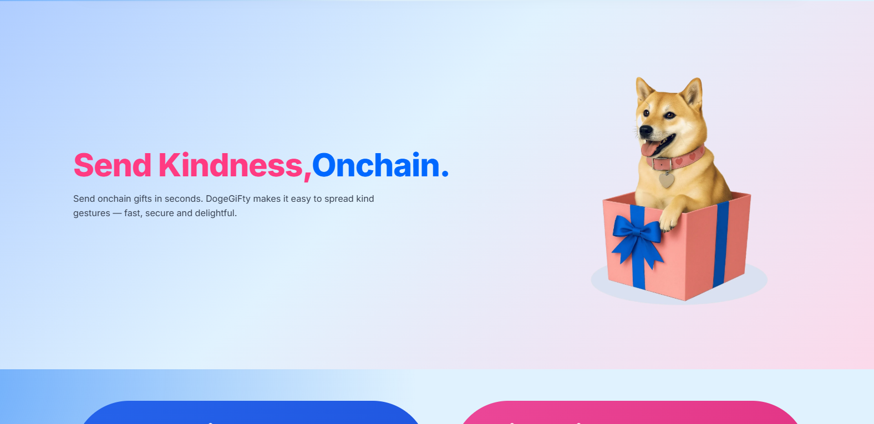 | 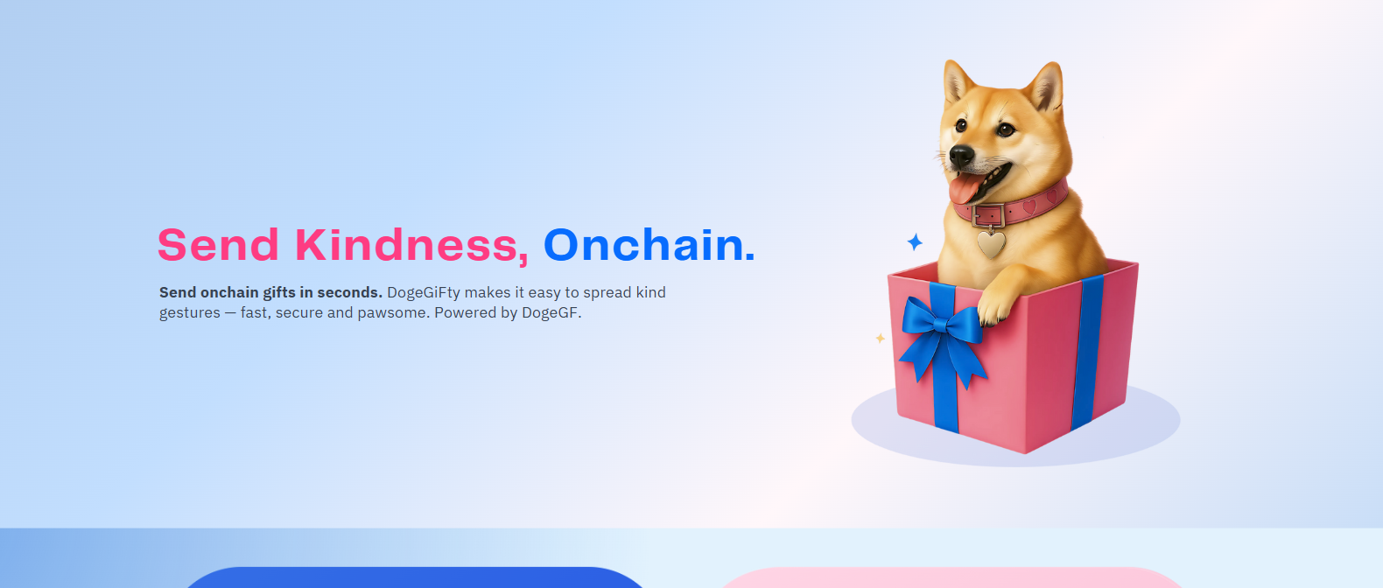
 | In this section, let's call it section 1, replace the dog illustration with the new one from the attachments, and make it slightly bigger in comparison to the current version. "Send onchain gifts in seconds" must be in bold. And add the ending sentence "Powered by DogeGF". Leave the font as it is right now. Even though it looks different from the current version I don't want the font changed. The background gradient of this section needs to be changed and I'm waiting for you to send me the link.
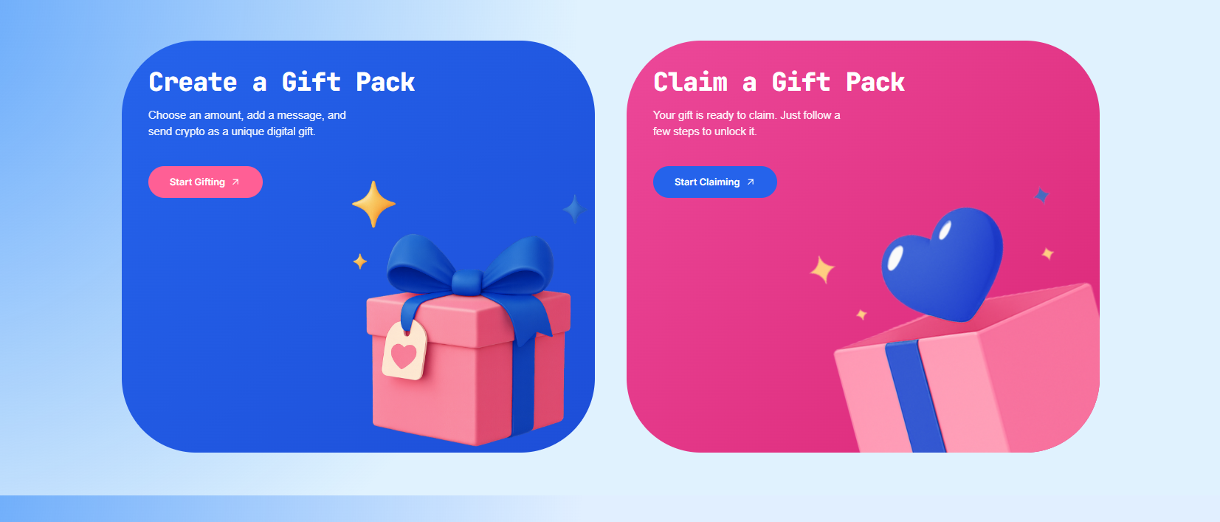 | 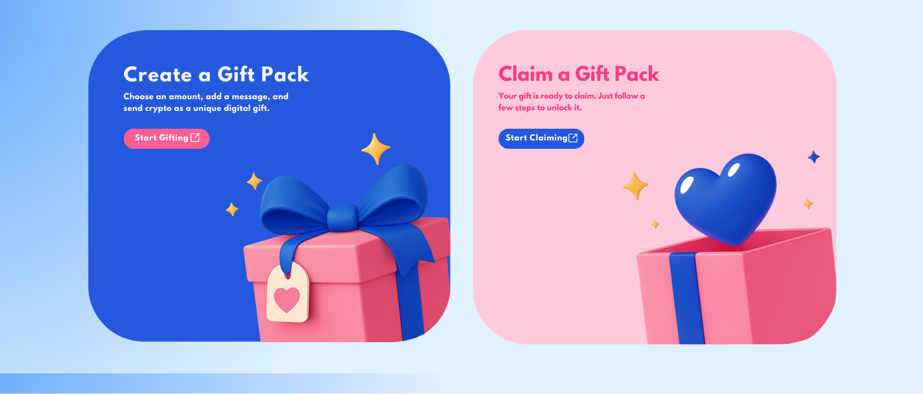
 | Change the "Claim a Gift Pack" box background color to this pink. Match the font color of "Claim a Gift Pack, Your gift is ready...etc" to the font color from section 1 "SEND KINDNESS,". Please use the latest images provided in the attachments. Again, leave the font as it is in the current version.

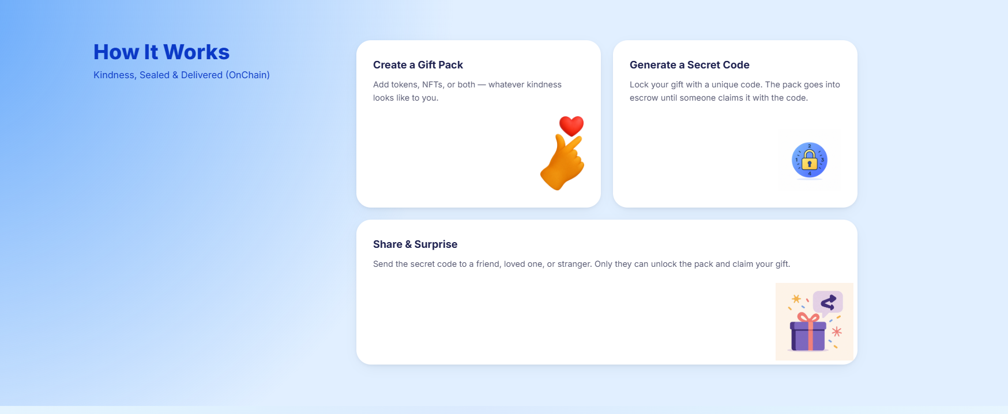 | 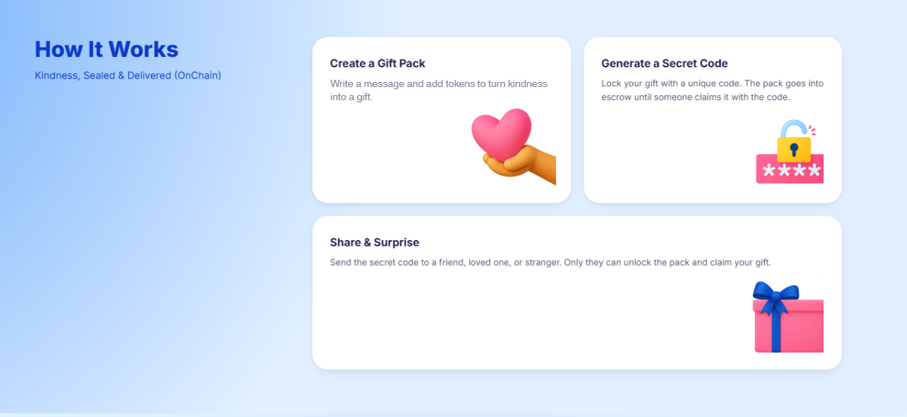
 | Update with the latest images from the attachments. Update the text from the first button.
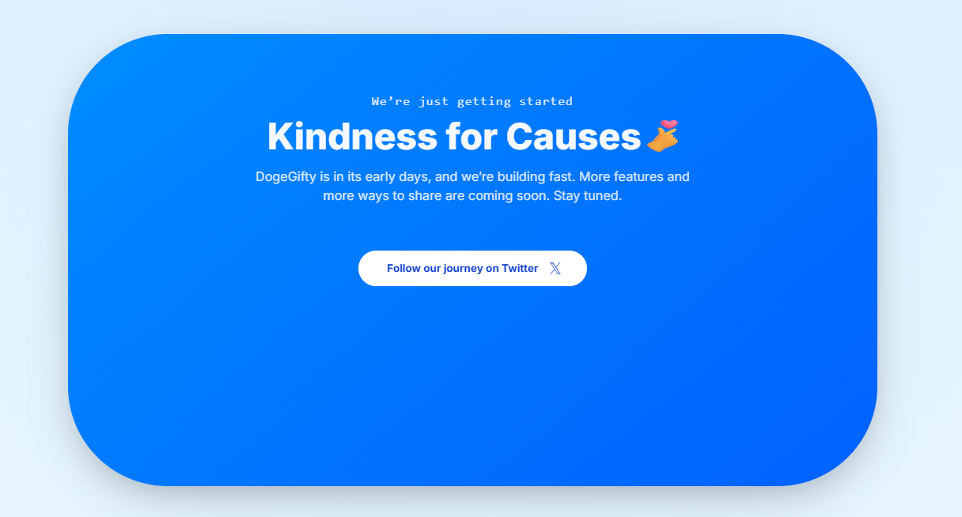 | 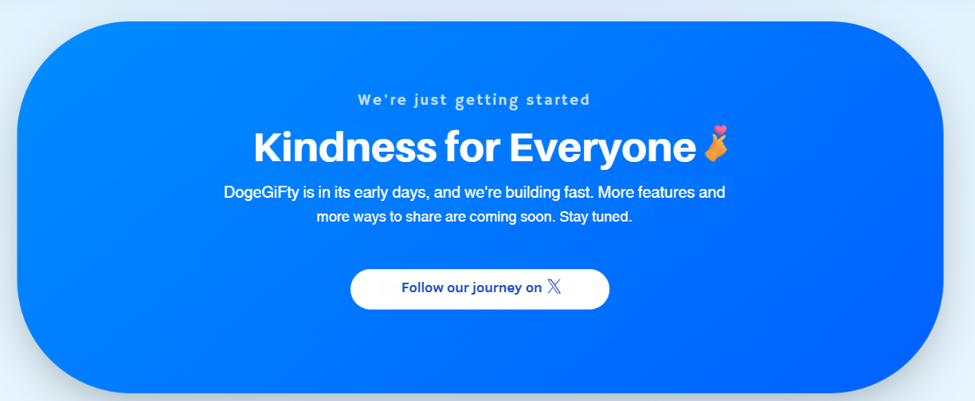
 | The rectangle must be slightly smaller in height compared to the current version. "Causes" -> "Everyone". "DogeGifty"->"DogeGiFty". Delete "Twitter" word from the current version. Again, keep the same font as in the current version.

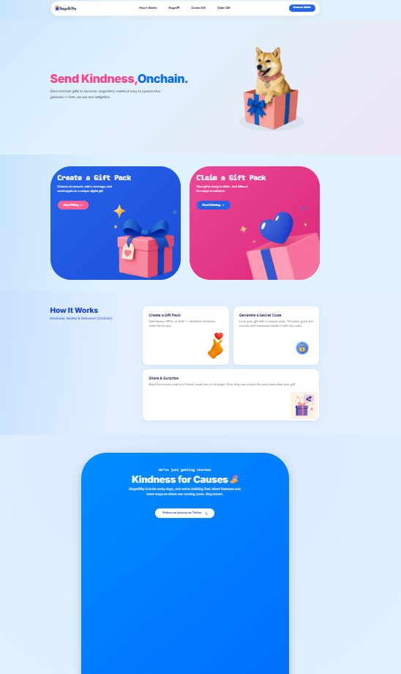
Also check the "Kindness for Causes" shape behaviour. When I'm zooming out it gets to big instead of keeping some kind of proportions.

 | About DogeGiFty will link to a future Medium article that we’ll prepare. How It Works should go the the learn page: https://doge.aeologic.in/learn Try to find a proper discord icon. Delete "Terms&Privacy". Make the DogeGiFty logo slightly bigger and please use the updated logo from the attachments. "2025. [DogeGF]. All rights reserved." -> All rights reserved © DogeGF.

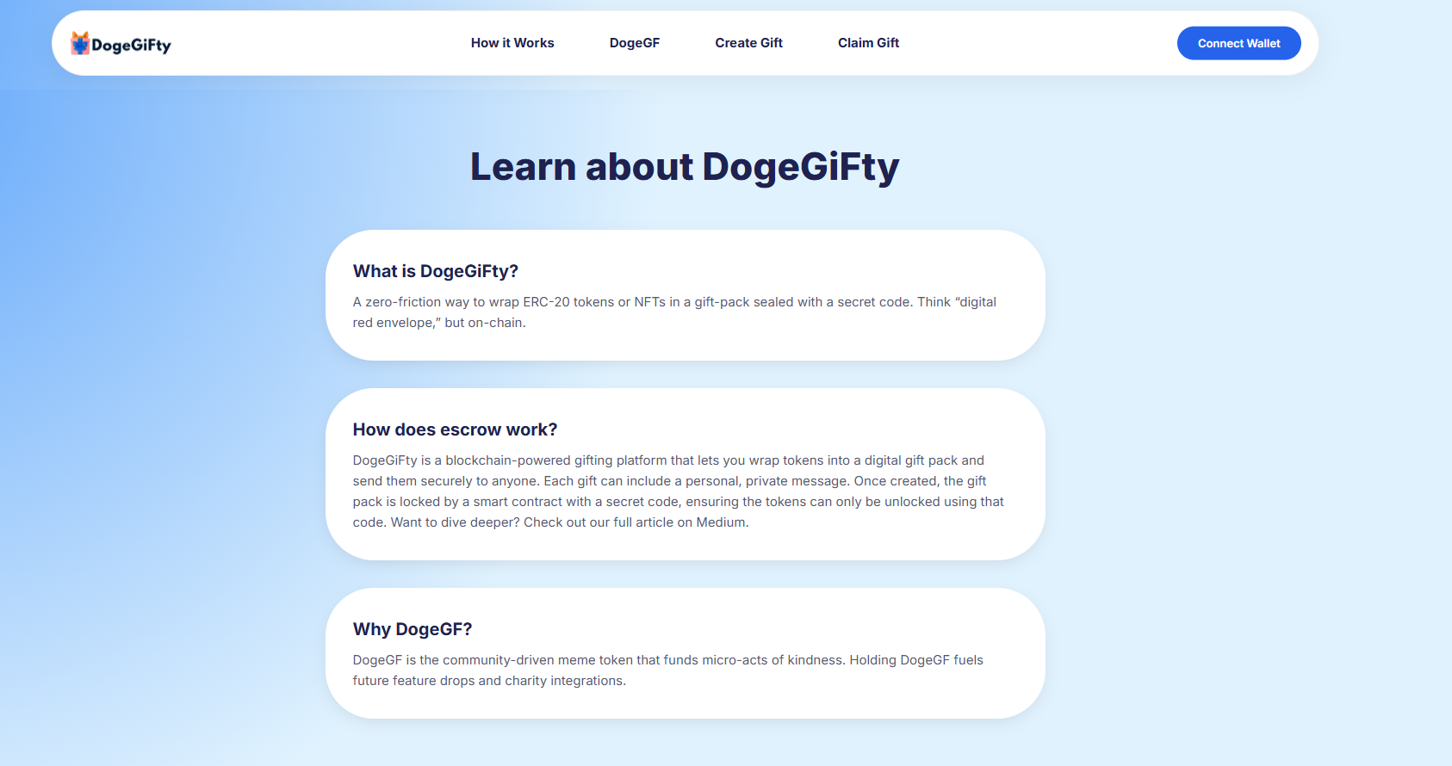 | 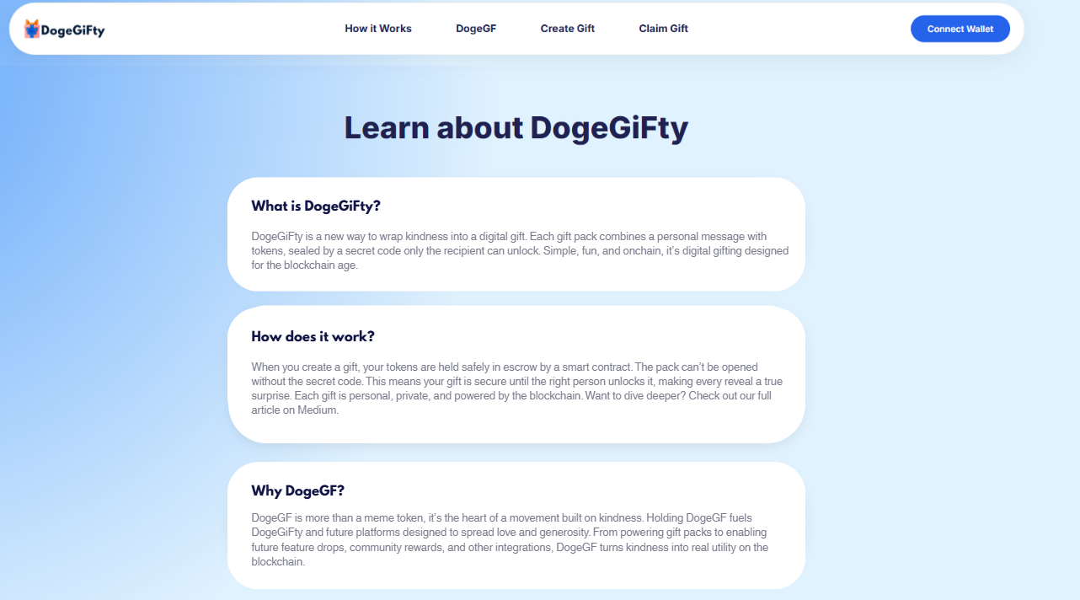
 | Edit the text: What is DogeGiFty? DogeGiFty is a new way to wrap kindness into a digital gift. Each gift pack combines a personal message with tokens, sealed by a secret code only the recipient can unlock. Simple, fun, and onchain, it’s digital gifting designed for the blockchain age. How does it work? When you create a gift, your tokens are held safely in escrow by a smart contract. The pack can’t be opened without the secret code. This means your gift is secure until the right person unlocks it, making every reveal a true surprise. Each gift is personal, private, and powered by the blockchain. Want to dive deeper? Check out our full article on Medium. Why DogeGF? DogeGF is more than a meme token, it’s the heart of a movement built on kindness. Holding DogeGF fuels DogeGiFty and future platforms designed to spread love and generosity. From powering gift packs to enabling future feature drops, community rewards, and other integrations, DogeGF turns kindness into real utility on the blockchain.

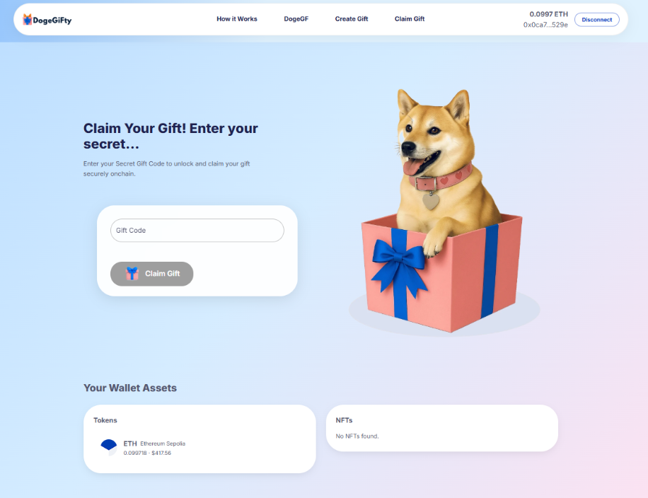
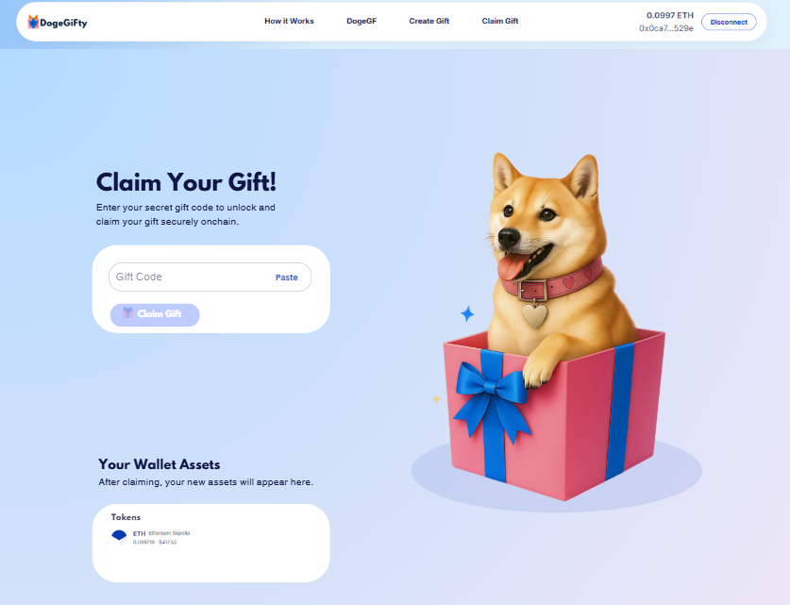
 | This is how the page should look before the users inserts the Gift Code. Everything is more aligned. The text must be like in the picture above. Delete the NFTs box from the current version. Add new text below "Your Wallet Assets" The Dog Illustration is updated. Paste option in the Gift Code field.

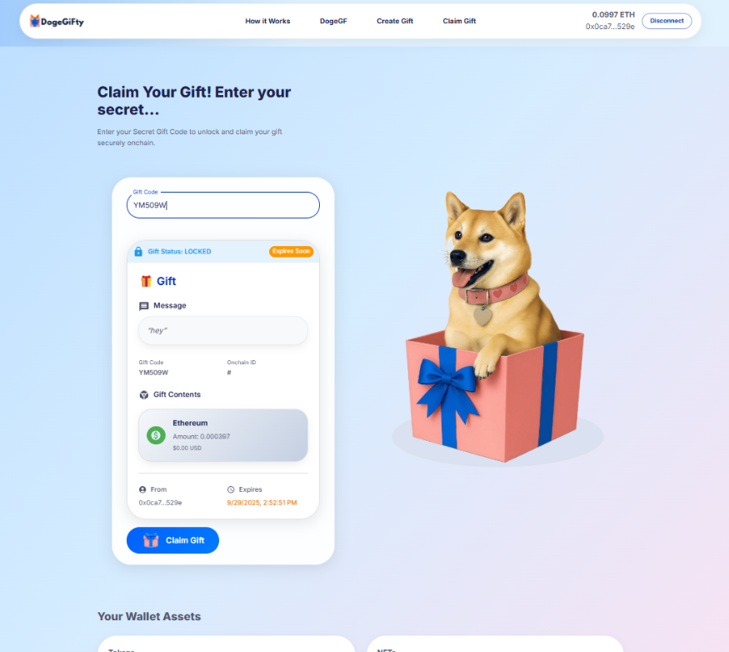
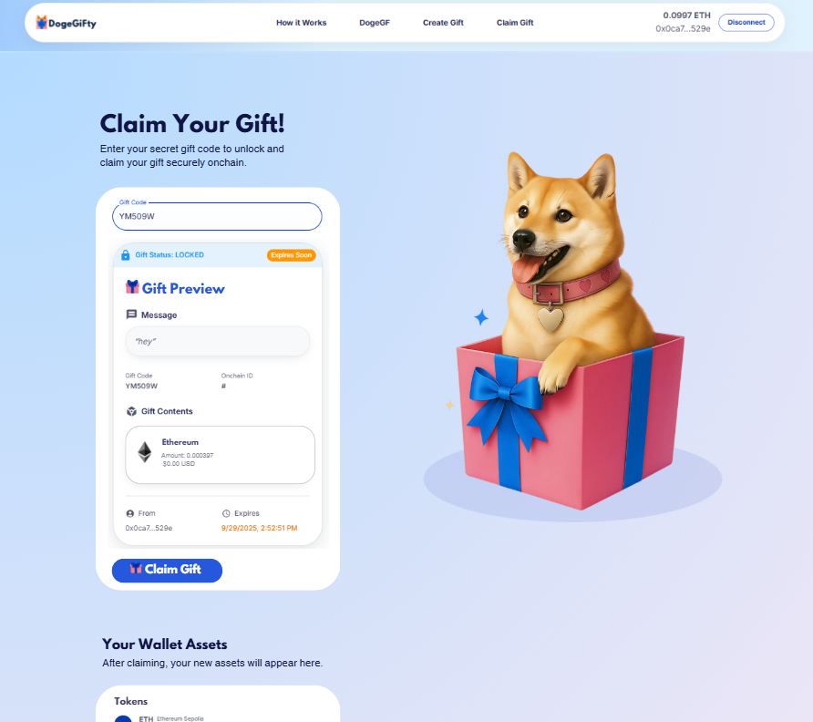

 | This is how the page should look like after the user inserts the Gift Code. Again, everything is more aligned. The box below Gift Contents should look like the box below Message, and have the same subtle shadow effect.

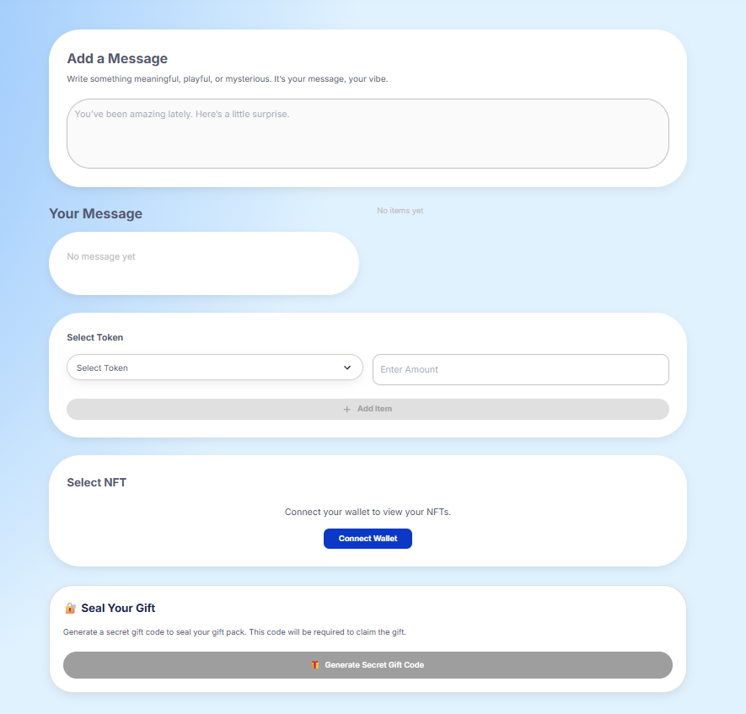
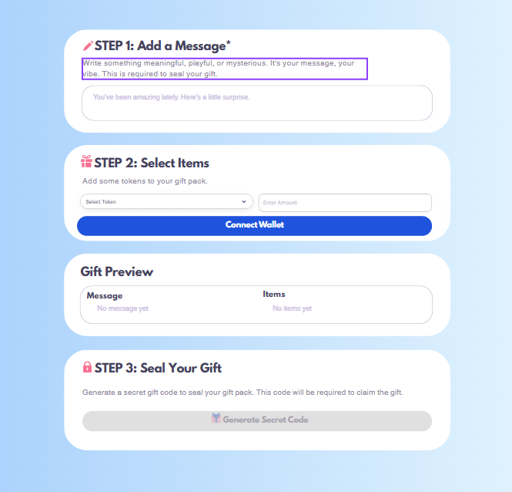
 | This is how this page should look like if the user wallet is not connected. Again, everything about NFTs must be deleted or hidden from the UI/UX. Instead of the 3 pink icons used here you can use the icons you are currently using on the Claiming Page. There you have an icon for message, gift contents, and a lock icon next to gift status. And color them in pink as displayed here. If you want, I can color them for you if you send them to me.

 | Please add back the title, subtitle, and picture above these steps. These elements were included in the original Figma design, and I never requested for them to be removed. I reviewed all our messages, and at no point did I ask for this change. It looks like a lot of elements from the original Figma designs haven’t been implemented correctly, and this is one of them. Again, ask whenever you have doubts.

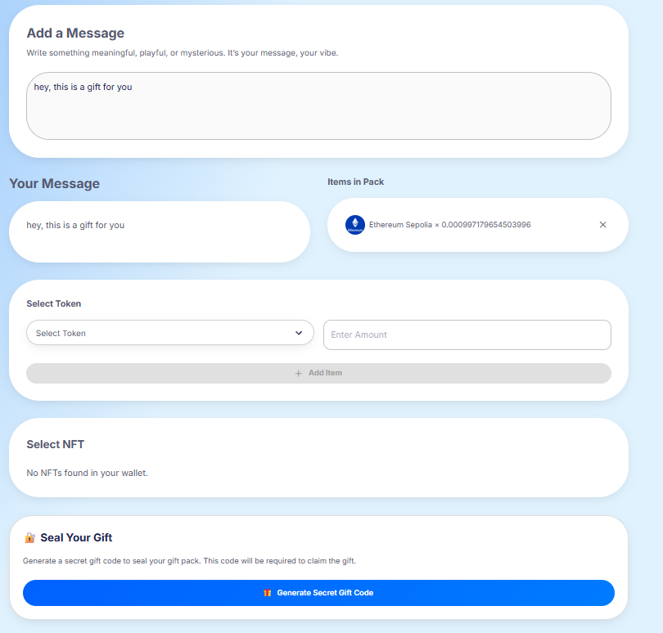
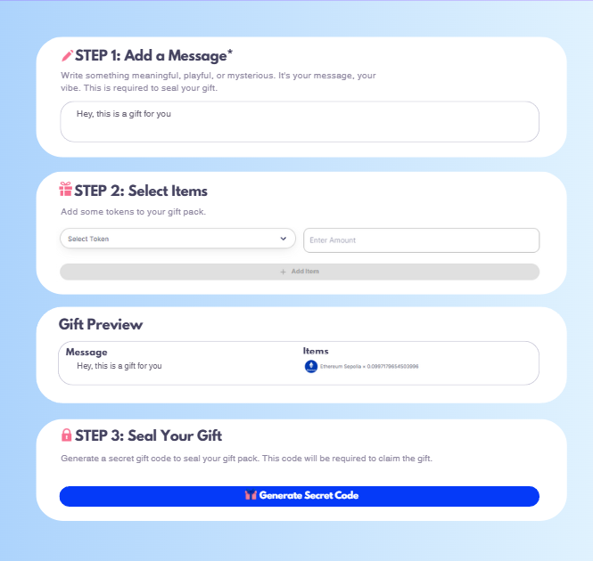
 | This is how this page should look if the users wallet is connected and he already wrote a message and selected tokens.

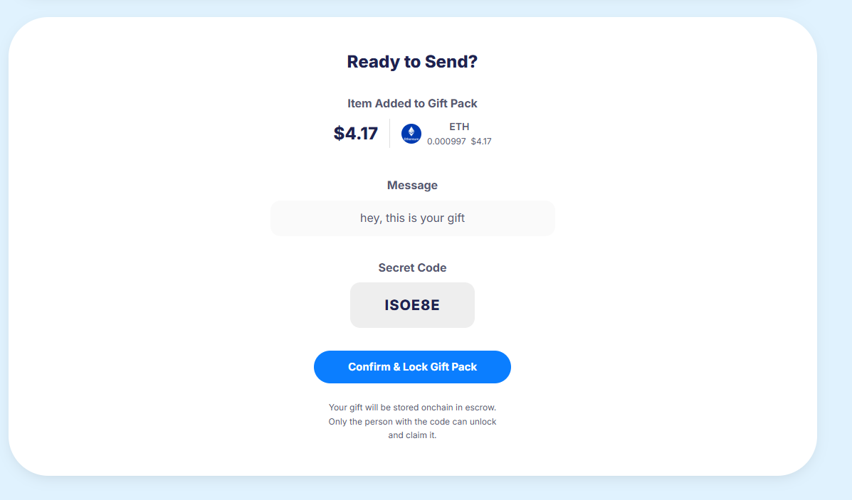 | 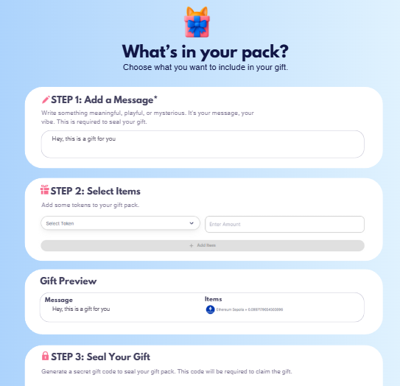 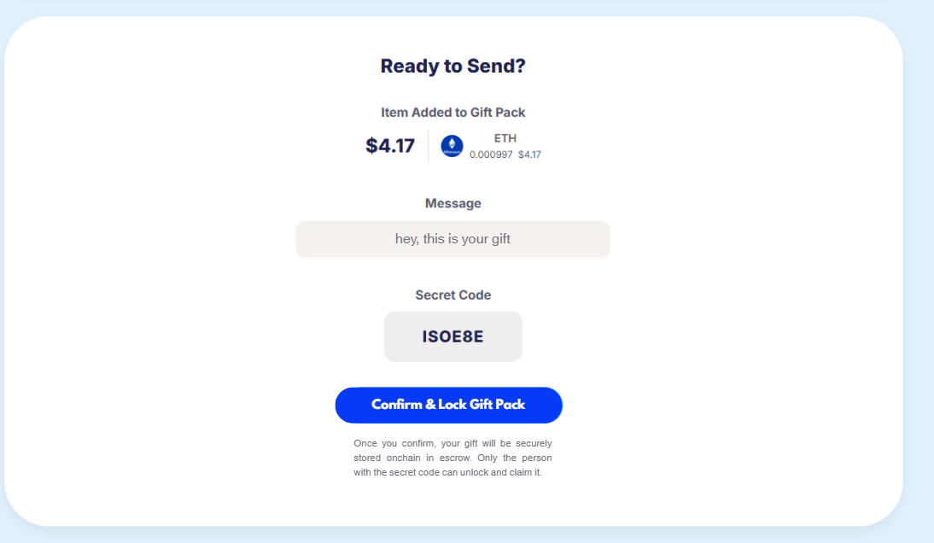
 | Same blue color for all the blue buttons. Use the same background color for the message field and secret code field.

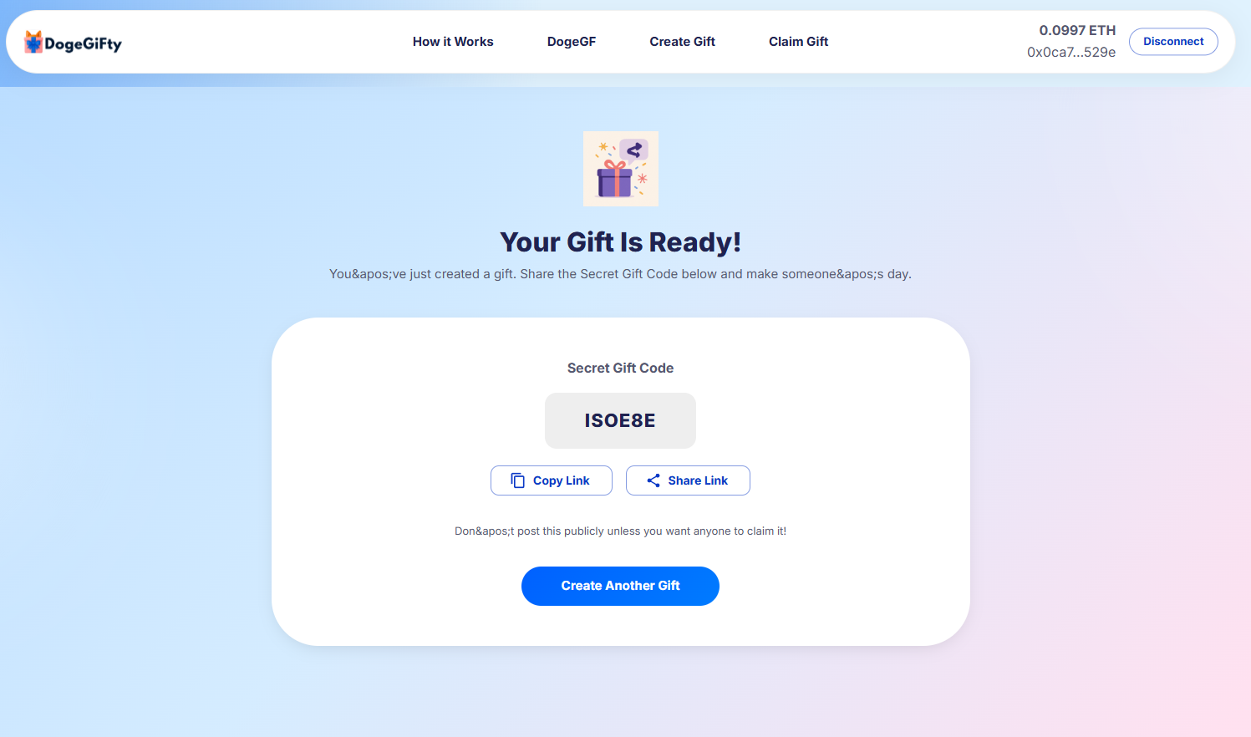 | 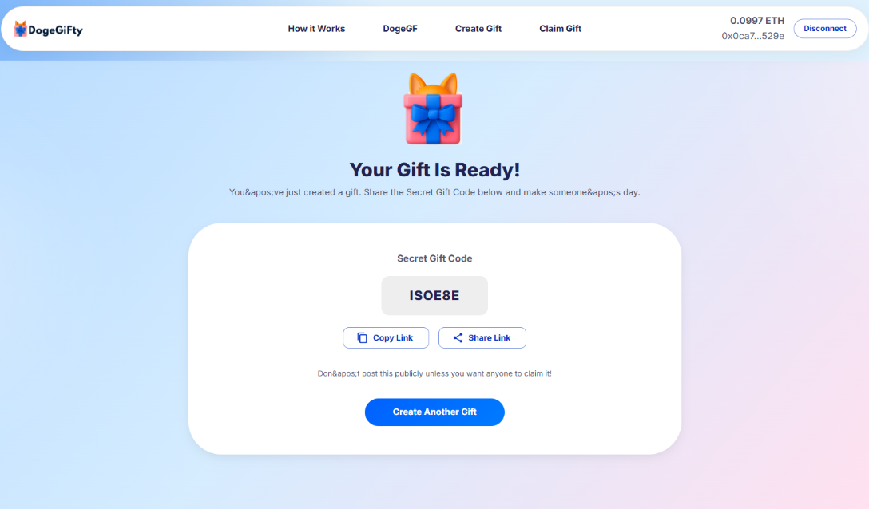
 | Change the picture. Again, use the same color for the blue button as the connect wallet button. Make sure the text is readeable. I haven't edited the text in this one since the errors are obvious.

